GSS-31
Supplementary Table 1. EDS analyses of sample GSS-31

 |  |  |  |  |  |  | Site 2 |  |  |  |  |  |  |  | Site 3
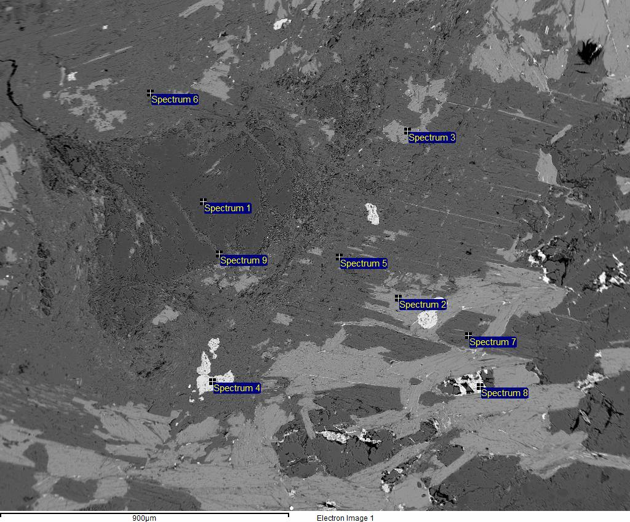
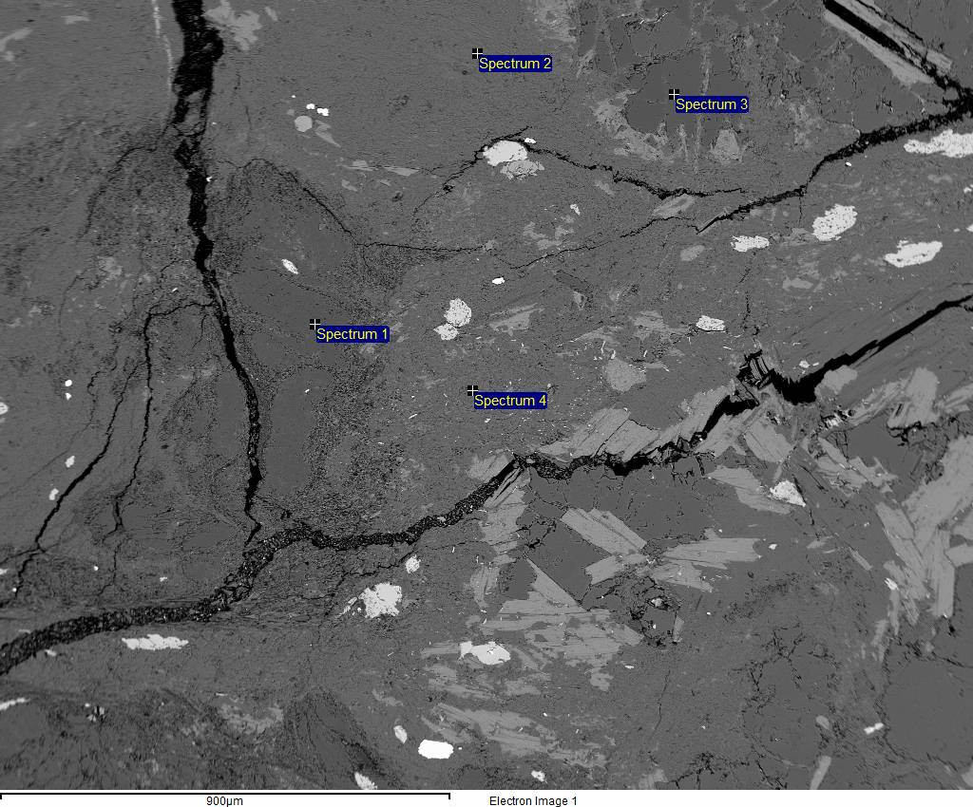
Site 1
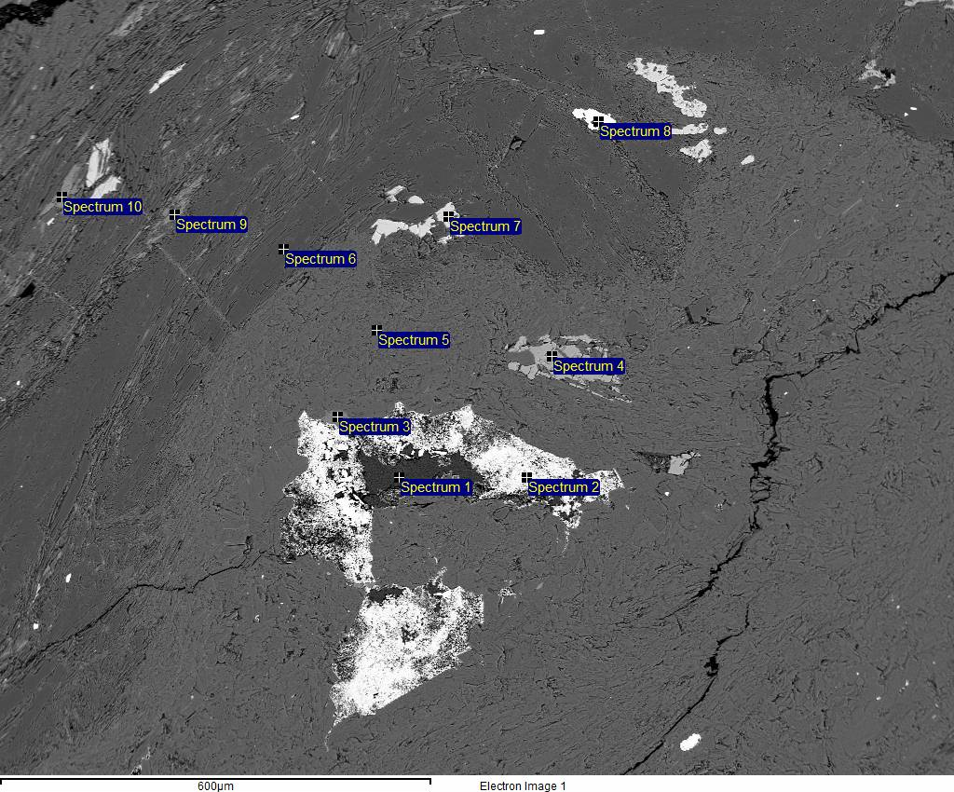

Spectrum 1 |  | Al-Silicate? |  |  |  |  |  | Spectrum 1 |  | sillimanite |  |  |  |  |  | Spectrum 1 |  | sillimanite
Element | Weight% | Weight% sigma | Atomic% | Compound% | Formula | Number of ions |  | Element | Weight% | Weight% sigma | Atomic% | Compound% | Formula | Number of ions |  | Element | Weight% | Weight% sigma | Atomic% | Compound% | Formula | Number of ions
Mg | 0.72 | 0.02 | 0.6 | 1.2 | MgO | 0.08 |  | Mg | 0.33 | 0.02 | 0.28 | 0.54 | MgO | 0.04 |  | Al | 32.29 | 0.06 | 24.23 | 61.01 | Al2O3 | 3.1
Al | 20.36 | 0.06 | 15.32 | 38.47 | Al2O3 | 1.92 |  | Al | 31.33 | 0.06 | 23.69 | 59.19 | Al2O3 | 3.04 |  | Si | 18.22 | 0.06 | 13.14 | 38.99 | SiO2 | 1.68
Si | 27.44 | 0.07 | 19.83 | 58.7 | SiO2 | 2.49 |  | Si | 17.94 | 0.06 | 13.03 | 38.37 | SiO2 | 1.67 |  | O | 49.48 | 0.07 | 62.63 |  |  | 8
K | 0.37 | 0.03 | 0.19 | 0.45 | K2O | 0.02 |  | K | 0.61 | 0.02 | 0.32 | 0.74 | K2O | 0.04 |  | Totals | 100
Ca | 0.23 | 0.02 | 0.11 | 0.32 | CaO | 0.01 |  | Fe | 0.89 | 0.05 | 0.33 | 1.15 | FeO | 0.04 |  |  |  |  |  |  | Cation sum | 4.77
Fe | 0.68 | 0.05 | 0.25 | 0.87 | FeO | 0.03 |  | O | 48.9 | 0.07 | 62.36 |  |  | 8
O | 50.2 | 0.09 | 63.7 |  |  | 8 |  | Totals | 100 |  |  |  |  |  |  | Spectrum 2 |  | muscovite
Totals | 100 |  |  |  |  |  |  |  |  |  |  |  | Cation sum | 4.83 |  | Element | Weight% | Weight% sigma | Atomic% | Compound% | Formula | Number of ions
 |  |  |  |  | Cation sum | 4.56 |  |  |  |  |  |  |  |  |  | Na | 0.48 | 0.03 | 0.44 | 0.65 | Na2O | 0.06
 |  |  |  |  |  |  |  | Spectrum 2 |  | biotite |  |  |  |  |  | Mg | 0.28 | 0.02 | 0.25 | 0.47 | MgO | 0.03
Spectrum 2 |  | goethite (magnetite?) |  |  |  |  |  | Element | Weight% | Weight% sigma | Atomic% | Compound% | Formula | Number of ions |  | Al | 19.87 | 0.06 | 15.5 | 37.55 | Al2O3 | 2.02
Element | Weight% | Weight% sigma | Atomic% | Compound% | Formula | Number of ions |  | Na | 0.25 | 0.03 | 0.25 | 0.34 | Na2O | 0.03 |  | Si | 23.37 | 0.07 | 17.51 | 49.99 | SiO2 | 2.28
Mg | 0.42 | 0.04 | 0.58 | 0.69 | MgO | 0.09 |  | Mg | 5.63 | 0.04 | 5.33 | 9.33 | MgO | 0.72 |  | K | 8.63 | 0.05 | 4.65 | 10.4 | K2O | 0.61
Al | 0.33 | 0.03 | 0.42 | 0.62 | Al2O3 | 0.06 |  | Al | 10.67 | 0.05 | 9.1 | 20.15 | Al2O3 | 1.24 |  | Ti | 0.17 | 0.03 | 0.08 | 0.29 | TiO2 | 0.01
Si | 2.47 | 0.04 | 3.01 | 5.29 | SiO2 | 0.47 |  | Si | 18.27 | 0.06 | 14.98 | 39.09 | SiO2 | 2.03 |  | Fe | 0.51 | 0.05 | 0.19 | 0.66 | FeO | 0.03
Fe | 72.03 | 0.16 | 44.05 | 92.67 | FeO | 6.83 |  | K | 7.55 | 0.05 | 4.45 | 9.1 | K2O | 0.6 |  | O | 46.68 | 0.08 | 61.4 |  |  | 8
Ni | 0.57 | 0.09 | 0.33 | 0.73 | NiO | 0.05 |  | Ti | 1.42 | 0.04 | 0.68 | 2.37 | TiO2 | 0.09 |  | Totals | 100
O | 24.18 | 0.14 | 51.61 |  |  | 8 |  | Fe | 15.24 | 0.1 | 6.28 | 19.61 | FeO | 0.85 |  |  |  |  |  |  | Cation sum | 5.03
Totals | 100 |  |  |  |  |  |  | O | 40.96 | 0.1 | 58.93 |  |  | 8
 |  |  |  |  | Cation sum | 7.5 |  | Totals | 100 |  |  |  |  |  |  | Spectrum 3 |  | quartz
 |  |  |  |  |  |  |  |  |  |  |  |  | Cation sum | 5.58 |  | Element | Weight% | Weight% sigma | Atomic% | Compound% | Formula | Number of ions
Spectrum 3 |  | chlorite? |  |  |  |  |  |  |  |  |  |  |  |  |  | Si | 46.51 | 0.07 | 33.27 | 99.5 | SiO2 | 3.99
Element | Weight% | Weight% sigma | Atomic% | Compound% | Formula | Number of ions |  | Spectrum 3 |  | biotite |  |  |  |  |  | Sn | 0.39 | 0.05 | 0.07 | 0.5 | SnO2 | 0.01
Mg | 10.06 | 0.05 | 9.44 | 16.67 | MgO | 1.29 |  | Element | Weight% | Weight% sigma | Atomic% | Compound% | Formula | Number of ions |  | O | 53.1 | 0.07 | 66.67 |  |  | 8
Al | 14.39 | 0.06 | 12.17 | 27.18 | Al2O3 | 1.66 |  | Na | 0.29 | 0.03 | 0.29 | 0.4 | Na2O | 0.04 |  | Totals | 100
Si | 13.95 | 0.06 | 11.33 | 29.84 | SiO2 | 1.54 |  | Mg | 6.24 | 0.04 | 5.82 | 10.35 | MgO | 0.79 |  |  |  |  |  |  | Cation sum | 4
Fe | 20.44 | 0.11 | 8.35 | 26.3 | FeO | 1.14 |  | Al | 11.75 | 0.05 | 9.86 | 22.19 | Al2O3 | 1.33
O | 41.16 | 0.1 | 58.71 |  |  | 8 |  | Si | 18.58 | 0.06 | 14.99 | 39.74 | SiO2 | 2.03 |  | Spectrum 4 |  | muscovite
Totals | 100 |  |  |  |  |  |  | K | 6.76 | 0.04 | 3.92 | 8.14 | K2O | 0.53 |  | Element | Weight% | Weight% sigma | Atomic% | Compound% | Formula | Number of ions
 |  |  |  |  | Cation sum | 5.63 |  | Ti | 0.93 | 0.03 | 0.44 | 1.55 | TiO2 | 0.06 |  | Na | 0.42 | 0.02 | 0.39 | 0.57 | Na2O | 0.05
 |  |  |  |  |  |  |  | Fe | 13.71 | 0.09 | 5.56 | 17.63 | FeO | 0.75 |  | Mg | 0.31 | 0.02 | 0.26 | 0.51 | MgO | 0.03
Spectrum 4 |  | fluorapatite |  |  |  |  |  | O | 41.75 | 0.09 | 59.13 |  |  | 8 |  | Al | 19.9 | 0.06 | 15.46 | 37.6 | Al2O3 | 2
Element | Weight% | Weight% sigma | Atomic% | Compound% | Formula | Number of ions |  | Totals | 100 |  |  |  |  |  |  | Si | 23.72 | 0.07 | 17.7 | 50.74 | SiO2 | 2.29
F | 7.78 | 0.16 | 9.52 | 0 |  | 1.16 |  |  |  |  |  |  | Cation sum | 5.53 |  | K | 7.3 | 0.05 | 3.92 | 8.8 | K2O | 0.51
P | 19.24 | 0.07 | 14.44 | 44.08 | P2O5 | 1.76 |  |  |  |  |  |  |  |  |  | Ti | 0.61 | 0.03 | 0.27 | 1.01 | TiO2 | 0.03
Ca | 34.41 | 0.09 | 19.96 | 48.14 | CaO | 2.43 |  | Spectrum 4 |  | ilmenite |  |  |  |  |  | Fe | 0.6 | 0.05 | 0.22 | 0.77 | FeO | 0.03
O | 38.58 | 0.1 | 56.07 |  |  | 6.84 |  | Element | Weight% | Weight% sigma | Atomic% | Compound% | Formula | Number of ions |  | O | 47.14 | 0.08 | 61.78 |  |  | 8
Totals | 100 |  |  |  |  |  |  | Al | 0.48 | 0.02 | 0.47 | 0.9 | Al2O3 | 0.06 |  | Totals | 100
 |  |  |  |  | Cation sum | 4.2 |  | Si | 5.8 | 0.04 | 5.53 | 12.41 | SiO2 | 0.69 |  |  |  |  |  |  | Cation sum | 4.95
 |  |  |  |  |  |  |  | Ca | 0.21 | 0.02 | 0.14 | 0.29 | CaO | 0.02
Spectrum 5 |  | muscovite |  |  |  |  |  | Ti | 40.69 | 0.1 | 22.72 | 67.87 | TiO2 | 2.83
Element | Weight% | Weight% sigma | Atomic% | Compound% | Formula | Number of ions |  | Mn | 0.15 | 0.03 | 0.07 | 0.2 | MnO | 0.01
Na | 0.43 | 0.02 | 0.39 | 0.58 | Na2O | 0.05 |  | Fe | 14.24 | 0.1 | 6.82 | 18.32 | FeO | 0.85
Al | 20.58 | 0.06 | 15.99 | 38.88 | Al2O3 | 2.08 |  | O | 38.43 | 0.11 | 64.24 |  |  | 8
Si | 23.45 | 0.07 | 17.51 | 50.17 | SiO2 | 2.27 |  | Totals | 100
K | 7.92 | 0.05 | 4.25 | 9.54 | K2O | 0.55 |  |  |  |  |  |  | Cation sum | 4.45
Ti | 0.18 | 0.03 | 0.08 | 0.3 | TiO2 | 0.01
Fe | 0.41 | 0.05 | 0.15 | 0.53 | FeO | 0.02 |  | Spectrum 5 |  | muscovite
O | 47.03 | 0.08 | 61.63 |  |  | 8 |  | Element | Weight% | Weight% sigma | Atomic% | Compound% | Formula | Number of ions
Totals | 100 |  |  |  |  |  |  | Na | 0.45 | 0.02 | 0.41 | 0.6 | Na2O | 0.05
 |  |  |  |  | Cation sum | 4.98 |  | Mg | 0.39 | 0.02 | 0.33 | 0.64 | MgO | 0.04
 |  |  |  |  |  |  |  | Al | 19.89 | 0.06 | 15.43 | 37.58 | Al2O3 | 2
Spectrum 6 |  | sillimanite |  |  |  |  |  | Si | 23.93 | 0.07 | 17.84 | 51.2 | SiO2 | 2.31
Element | Weight% | Weight% sigma | Atomic% | Compound% | Formula | Number of ions |  | K | 7.22 | 0.05 | 3.87 | 8.7 | K2O | 0.5
Al | 32.19 | 0.06 | 24.19 | 60.82 | Al2O3 | 3.09 |  | Ti | 0.24 | 0.03 | 0.1 | 0.4 | TiO2 | 0.01
Si | 18.12 | 0.06 | 13.08 | 38.76 | SiO2 | 1.67 |  | Fe | 0.67 | 0.05 | 0.25 | 0.87 | FeO | 0.03
K | 0.35 | 0.02 | 0.18 | 0.42 | K2O | 0.02 |  | O | 47.2 | 0.08 | 61.76 |  |  | 8
O | 49.34 | 0.07 | 62.54 |  |  | 8 |  | Totals | 100
Totals | 100 |  |  |  |  |  |  |  |  |  |  |  | Cation sum | 4.95
 |  |  |  |  | Cation sum | 4.79
 |  |  |  |  |  |  |  | Spectrum 6 |  | muscovite
Spectrum 7 |  | ilmenite |  |  |  |  |  | Element | Weight% | Weight% sigma | Atomic% | Compound% | Formula | Number of ions
Element | Weight% | Weight% sigma | Atomic% | Compound% | Formula | Number of ions |  | Na | 0.4 | 0.02 | 0.36 | 0.53 | Na2O | 0.05
Mg | 0.27 | 0.03 | 0.31 | 0.45 | MgO | 0.04 |  | Mg | 0.34 | 0.02 | 0.29 | 0.56 | MgO | 0.04
Al | 0.72 | 0.03 | 0.74 | 1.36 | Al2O3 | 0.09 |  | Al | 19.86 | 0.06 | 15.55 | 37.52 | Al2O3 | 2.03
Si | 0.9 | 0.03 | 0.88 | 1.92 | SiO2 | 0.11 |  | Si | 22.9 | 0.07 | 17.23 | 48.99 | SiO2 | 2.25
Cl | 0.28 | 0.02 | 0.22 | 0 |  | 0.03 |  | K | 9.13 | 0.05 | 4.93 | 11 | K2O | 0.64
Ca | 0.21 | 0.02 | 0.14 | 0.29 | CaO | 0.02 |  | Ti | 0.2 | 0.03 | 0.09 | 0.34 | TiO2 | 0.01
Ti | 47.16 | 0.11 | 27.11 | 78.66 | TiO2 | 3.37 |  | Fe | 0.83 | 0.05 | 0.31 | 1.07 | FeO | 0.04
Mn | 0.25 | 0.03 | 0.12 | 0.32 | MnO | 0.02 |  | O | 46.35 | 0.08 | 61.22 |  |  | 8
Fe | 12.99 | 0.1 | 6.4 | 16.71 | FeO | 0.8 |  | Totals | 100
O | 37.22 | 0.11 | 64.07 |  |  | 7.97 |  |  |  |  |  |  | Cation sum | 5.07
Totals | 100
 |  |  |  |  | Cation sum | 4.44 |  | Spectrum 7 |  | muscovite
 |  |  |  |  |  |  |  | Element | Weight% | Weight% sigma | Atomic% | Compound% | Formula | Number of ions
Spectrum 8 |  | monazite |  |  |  |  |  | Na | 0.59 | 0.03 | 0.54 | 0.79 | Na2O | 0.07
Element | Weight% | Weight% sigma | Atomic% | Compound% | Formula | Number of ions |  | Mg | 0.38 | 0.02 | 0.33 | 0.63 | MgO | 0.04
P | 15.57 | 0.09 | 18.38 | 35.67 | P2O5 | 2.18 |  | Al | 19.69 | 0.06 | 15.36 | 37.21 | Al2O3 | 2
Ca | 0.47 | 0.03 | 0.42 | 0.65 | CaO | 0.05 |  | Si | 23.42 | 0.06 | 17.54 | 50.1 | SiO2 | 2.28
La | 14.11 | 0.17 | 3.71 | 16.55 | La2O3 | 0.44 |  | K | 8.09 | 0.05 | 4.36 | 9.75 | K2O | 0.57
Ce | 27 | 0.2 | 7.05 | 31.62 | Ce2O3 | 0.84 |  | Ti | 0.27 | 0.03 | 0.12 | 0.45 | TiO2 | 0.02
Nd | 9.99 | 0.18 | 2.53 | 11.66 | Nd2O3 | 0.3 |  | Fe | 0.84 | 0.05 | 0.31 | 1.08 | FeO | 0.04
Th | 3.39 | 0.13 | 0.53 | 3.86 | ThO2 | 0.06 |  | O | 46.72 | 0.08 | 61.45 |  |  | 8
O | 29.48 | 0.17 | 67.37 |  |  | 8 |  | Totals | 100
Totals | 100 |  |  |  |  |  |  |  |  |  |  |  | Cation sum | 5.02
 |  |  |  |  | Cation sum | 3.87
 |  |  |  |  |  |  |  | Spectrum 8 |  | goethite (magnetite?)
Spectrum 9 |  | biotite |  |  |  |  |  | Element | Weight% | Weight% sigma | Atomic% | Compound% | Formula | Number of ions
Element | Weight% | Weight% sigma | Atomic% | Compound% | Formula | Number of ions |  | Mg | 0.34 | 0.04 | 0.45 | 0.56 | MgO | 0.07
Mg | 4.47 | 0.04 | 4.17 | 7.41 | MgO | 0.56 |  | Al | 1.76 | 0.04 | 2.1 | 3.33 | Al2O3 | 0.31
Al | 14.84 | 0.06 | 12.48 | 28.04 | Al2O3 | 1.68 |  | Si | 5.18 | 0.05 | 5.92 | 11.08 | SiO2 | 0.89
Si | 17.41 | 0.06 | 14.07 | 37.25 | SiO2 | 1.89 |  | K | 0.64 | 0.03 | 0.52 | 0.77 | K2O | 0.08
K | 6.33 | 0.05 | 3.67 | 7.62 | K2O | 0.49 |  | Ca | 0.32 | 0.03 | 0.25 | 0.44 | CaO | 0.04
Ti | 0.77 | 0.04 | 0.36 | 1.28 | TiO2 | 0.05 |  | Fe | 65.15 | 0.13 | 37.41 | 83.81 | FeO | 5.61
Fe | 14.31 | 0.1 | 5.81 | 18.4 | FeO | 0.78 |  | O | 26.61 | 0.12 | 53.35 |  |  | 8
O | 41.88 | 0.1 | 59.42 |  |  | 8 |  | Totals | 100
Totals | 100 |  |  |  |  |  |  |  |  |  |  |  | Cation sum | 7
 |  |  |  |  | Cation sum | 5.46
 |  |  |  |  |  |  |  | Spectrum 9 |  | muscovite
Spectrum 10 |  | biotite |  |  |  |  |  | Element | Weight% | Weight% sigma | Atomic% | Compound% | Formula | Number of ions
Element | Weight% | Weight% sigma | Atomic% | Compound% | Formula | Number of ions |  | Na | 0.37 | 0.02 | 0.34 | 0.5 | Na2O | 0.04
Mg | 6.25 | 0.04 | 5.89 | 10.36 | MgO | 0.8 |  | Mg | 0.21 | 0.02 | 0.18 | 0.34 | MgO | 0.02
Al | 11.88 | 0.05 | 10.1 | 22.45 | Al2O3 | 1.37 |  | Al | 20.63 | 0.06 | 16.04 | 38.98 | Al2O3 | 2.09
Si | 17.59 | 0.06 | 14.36 | 37.64 | SiO2 | 1.95 |  | Si | 23.29 | 0.06 | 17.39 | 49.82 | SiO2 | 2.26
K | 6.66 | 0.05 | 3.9 | 8.02 | K2O | 0.53 |  | K | 8.1 | 0.05 | 4.35 | 9.76 | K2O | 0.57
Ti | 0.8 | 0.03 | 0.38 | 1.34 | TiO2 | 0.05 |  | Fe | 0.47 | 0.05 | 0.18 | 0.61 | FeO | 0.02
Fe | 15.7 | 0.1 | 6.45 | 20.2 | FeO | 0.88 |  | O | 46.94 | 0.08 | 61.53 |  |  | 8
O | 41.12 | 0.1 | 58.92 |  |  | 8 |  | Totals | 100
Totals | 100 |  |  |  |  |  |  |  |  |  |  |  | Cation sum | 5
 |  |  |  |  | Cation sum | 5.58

GSS-208
Supplementary Table 1. EDS analyses of sample GSS-208

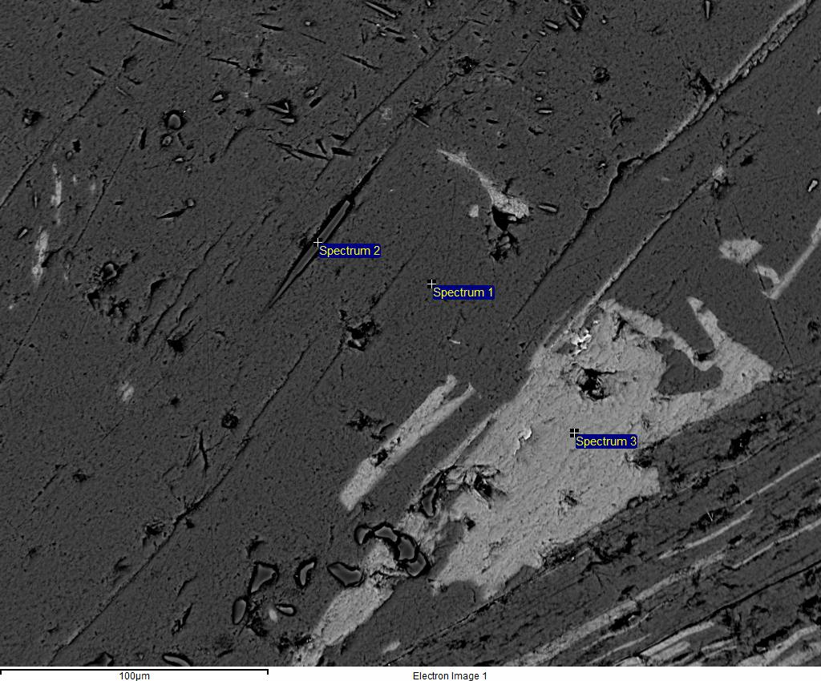
Site 1 |  |  |  |  |  |  | Site 2
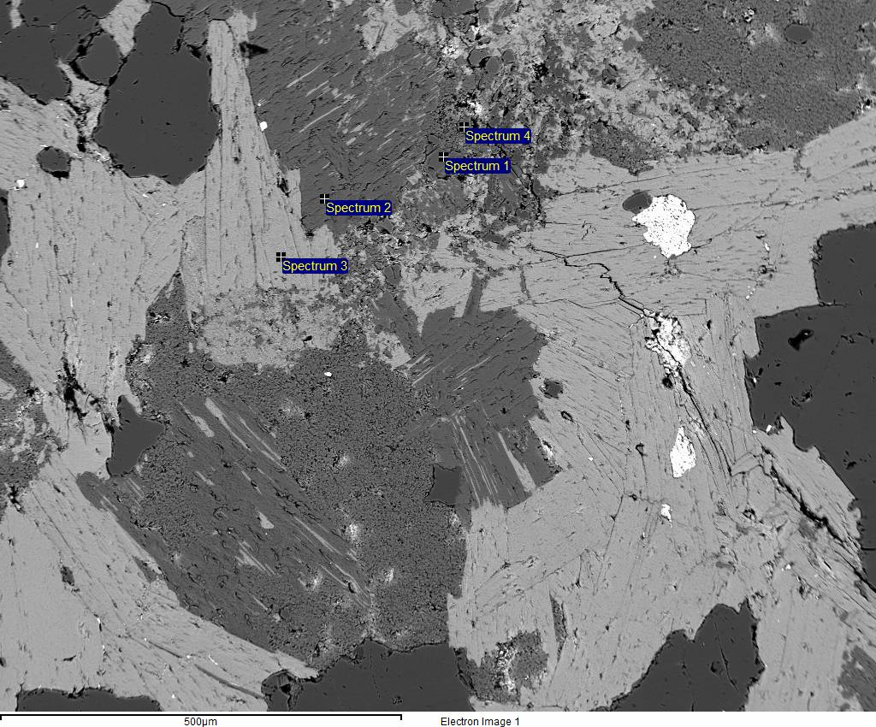

Spectrum 1 |  | cordierite |  |  |  |  | Spectrum 1 |  | muscovite
Element | Weight% | Weight% sigma | Atomic% | Compound% | Formula | Number of ions | Element | Weight% | Weight% sigma | Atomic% | Compound% | Formula | Number of ions
Na | 1.6 | 0.03 | 1.46 | 2.16 | Na2O | 0.19 | Na | 0.42 | 0.02 | 0.38 | 0.56 | Na2O | 0.05
Mg | 4.17 | 0.04 | 3.6 | 6.92 | MgO | 0.47 | Mg | 0.3 | 0.02 | 0.26 | 0.49 | MgO | 0.03
Al | 20.22 | 0.07 | 15.72 | 38.2 | Al2O3 | 2.05 | Al | 20.27 | 0.06 | 15.73 | 38.31 | Al2O3 | 2.04
Si | 20.48 | 0.07 | 15.29 | 43.81 | SiO2 | 2 | Si | 23.75 | 0.07 | 17.71 | 50.82 | SiO2 | 2.3
Ca | 0.51 | 0.03 | 0.27 | 0.71 | CaO | 0.03 | K | 7.42 | 0.05 | 3.97 | 8.93 | K2O | 0.51
Ti | 0.35 | 0.03 | 0.15 | 0.59 | TiO2 | 0.02 | Fe | 0.69 | 0.05 | 0.26 | 0.89 | FeO | 0.03
Fe | 5.91 | 0.08 | 2.22 | 7.6 | FeO | 0.29 | O | 47.15 | 0.08 | 61.7 |  |  | 8
O | 46.75 | 0.1 | 61.29 |  |  | 8 | Totals | 100
Totals | 100 |  |  |  |  |  |  |  |  |  |  | Cation sum | 4.97
 |  |  |  |  | Cation sum | 5.05
 |  |  |  |  |  |  | Spectrum 2 |  | sillimanite
Spectrum 2 |  | muscovite |  |  |  |  | Element | Weight% | Weight% sigma | Atomic% | Compound% | Formula | Number of ions
Element | Weight% | Weight% sigma | Atomic% | Compound% | Formula | Number of ions | Al | 32.54 | 0.06 | 24.52 | 61.48 | Al2O3 | 3.14
Na | 0.54 | 0.03 | 0.49 | 0.72 | Na2O | 0.06 | Si | 17.74 | 0.06 | 12.85 | 37.96 | SiO2 | 1.64
Mg | 0.3 | 0.02 | 0.26 | 0.49 | MgO | 0.03 | Ag | 0.53 | 0.05 | 0.1 | 0.57 | Ag2O | 0.01
Al | 20.1 | 0.06 | 15.64 | 37.98 | Al2O3 | 2.04 | O | 49.19 | 0.07 | 62.53 |  |  | 8
Si | 23.48 | 0.07 | 17.55 | 50.22 | SiO2 | 2.28 | Totals | 100
K | 8.03 | 0.05 | 4.31 | 9.68 | K2O | 0.56 |  |  |  |  |  | Cation sum | 4.79
Fe | 0.7 | 0.05 | 0.26 | 0.9 | FeO | 0.03
O | 46.85 | 0.08 | 61.48 |  |  | 8 | Spectrum 3 |  | chlorite
Totals | 100 |  |  |  |  |  | Element | Weight% | Weight% sigma | Atomic% | Compound% | Formula | Number of ions
 |  |  |  |  | Cation sum | 5.01 | Mg | 8.41 | 0.05 | 8.06 | 13.94 | MgO | 1.1
 |  |  |  |  |  |  | Al | 12.28 | 0.06 | 10.6 | 23.2 | Al2O3 | 1.44
Spectrum 3 |  | biotite |  |  |  |  | Si | 15.02 | 0.06 | 12.46 | 32.13 | SiO2 | 1.7
Element | Weight% | Weight% sigma | Atomic% | Compound% | Formula | Number of ions | K | 0.5 | 0.03 | 0.3 | 0.61 | K2O | 0.04
Na | 0.23 | 0.03 | 0.24 | 0.32 | Na2O | 0.03 | Fe | 23.41 | 0.12 | 9.77 | 30.12 | FeO | 1.33
Mg | 5.25 | 0.04 | 4.98 | 8.7 | MgO | 0.68 | O | 40.38 | 0.11 | 58.81 |  |  | 8
Al | 11.03 | 0.05 | 9.44 | 20.84 | Al2O3 | 1.28 | Totals | 100
Si | 18.06 | 0.06 | 14.85 | 38.64 | SiO2 | 2.02 |  |  |  |  |  | Cation sum | 5.6
K | 7.81 | 0.05 | 4.62 | 9.41 | K2O | 0.63
Ti | 1.08 | 0.04 | 0.52 | 1.8 | TiO2 | 0.07
Fe | 15.77 | 0.1 | 6.52 | 20.29 | FeO | 0.89
O | 40.76 | 0.1 | 58.83 |  |  | 8
Totals | 100
 |  |  |  |  | Cation sum | 5.6

Spectrum 4 |  | cordierite
Element | Weight% | Weight% sigma | Atomic% | Compound% | Formula | Number of ions
Na | 1.09 | 0.03 | 0.99 | 1.47 | Na2O | 0.13
Mg | 3.48 | 0.04 | 2.99 | 5.77 | MgO | 0.39
Al | 21.51 | 0.07 | 16.63 | 40.64 | Al2O3 | 2.16
Si | 20.89 | 0.07 | 15.52 | 44.7 | SiO2 | 2.01
Ca | 0.2 | 0.02 | 0.1 | 0.28 | CaO | 0.01
Ti | 0.18 | 0.03 | 0.08 | 0.3 | TiO2 | 0.01
Fe | 5.32 | 0.08 | 1.99 | 6.85 | FeO | 0.26
O | 47.33 | 0.09 | 61.71 |  |  | 8
Totals | 100
 |  |  |  |  | Cation sum | 4.96

